Netzdiagram
 | iText | JasperReports | Apache PDFBox
CPU | 4.5 | 3 | 5
Memory | 5 | 2 | 6
Latenzzeit | 5 | 3 | 4.5
Durchsatz | 5 | 2 | 5.5
Verfügbarkeit | 5 | 2 | 4.5
Layout Ergebnis | 5 | 6 | 3
API | 5 | 5 | 2
Usability | 5 | 6 | 4

AuswertungNetzdiagramm
Final Fazit

 |  | iText | JasperReports | Apache PDFBox

Ressoucen | CPU | 4.5 | 3 | 5
 | Memory | 5 | 2 | 6
Performance | Latenzzeit | 5 | 3 | 4.5
 | Durchsatz | 5 | 2 | 5.5
 | Verfügbarkeit | 5 | 2 | 4.5
Implementation | Layout Ergebnis | 5 | 6 | 3
 | API | 5 | 5 | 2
 | Usability | 5 | 6 | 4

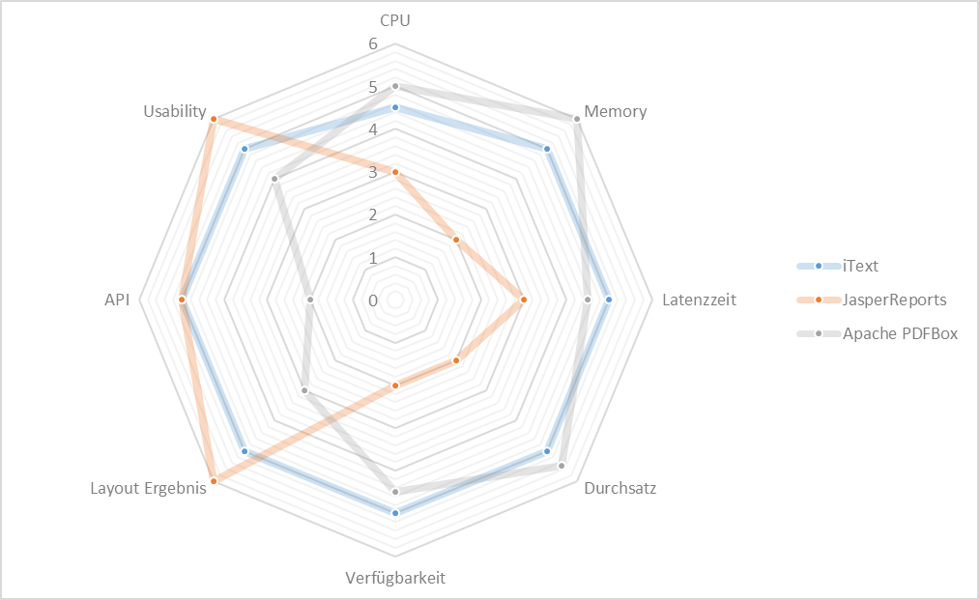

 |  |  |  |  |  |  |  | Note | 6.00 | 5.00 | 4.00 | 3.00 | 2.00 | 1.00 | Metrik
 |  |  |  |  |  |  | CPU | from | 0.00 | 2.00 | 3.00 | 5.00 | 7.00 | 9.00 | Load
 |  |  |  |  |  |  |  | to | 2.00 | 3.00 | 5.00 | 7.00 | 8.00 | unendl.
 |  |  |  |  |  |  | Memory | from | 0.00 | 1024.00 |  |  |  | 1512.00
 |  |  |  |  |  |  |  | to | 1024.00 |  |  |  |  | unendl. | Total Memory
 |  |  |  |  |  |  | Latenzzeit | from
 |  |  |  |  |  |  |  | to
 |  |  |  |  |  |  | Durchsatz | from | 150.00 | 130.00
 |  |  |  |  |  |  |  | to | unendl. | 150.00 | 100.00 | 70.00 | 40.00 | 10.00
 |  |  |  |  |  |  | Verfügbarkeit | from
 |  |  |  |  |  |  |  | to | 100% > x > 99% | 99% < x < 95% | 95% < x < 90% | 90% < x < 80% | 80% < x < 70% | 70% < x
 |  |  |  |  |  |  | Layout Ergebnis | from
 |  |  |  |  |  |  |  | to
 |  |  |  |  |  |  | API | from
 |  |  |  |  |  |  |  | to
 |  |  |  |  |  |  | Usability (*1)

*1
SUS - Grade (https://measuringu.com/sus/) | Grades 1 (strongly disagree) - 5 (strongly agree)
 | iText | Score | Jasper Report | Score | Apache PDFBox | Score
1. I think that I would like to use this system frequently. | 5 | 4 | 5 | 4 | 2 | 1
2. I found the system unnecessarily complex. | 2 | 3 | 1 | 4 | 4 | 1
3. I thought the system was easy to use. | 5 | 4 | 5 | 4 | 4 | 3
4. I think that I would need the support of a technical person to be able to use this system. | 1 | 4 | 1 | 4 | 1 | 4
5. I found the various functions in this system were well integrated. | 3 | 2 | 5 | 4 | 3 | 2
6. I thought there was too much inconsistency in this system. | 1 | 4 | 1 | 4 | 1 | 4
7. I would imagine that most people would learn to use this system very quickly. | 3 | 2 | 5 | 4 | 4 | 3
8. I found the system very cumbersome to use. | 2 | 3 | 1 | 4 | 5 | 0
9. I felt very confident using the system. | 3 | 2 | 5 | 4 | 5 | 4
10. I needed to learn a lot of things before I could get going with this system. | 1 | 4 | 2 | 3 | 1 | 4
out of 100 |  | 80 |  | 97.5 |  | 65
out of 6 |  | 4.8 |  | 5.85 |  | 3.9

